Sheet1
Machine Learning - Classification Assignment

 | 1. Identify your problem statement
 |  | Goal : | CHRONIC KIDNEY DISEASE PREDICTION
 |  | 3 Stages : | Machine Learning (number based data)
 |  |  | Supervised Learning (Input & Output present)
 |  |  | Classification Algorithms Used - Logistic Resgression, K Nearest Neighbors, Naive Bayes(Gaussian, Bernoulli, Multinomial), Support Vector Machince, Decision Tree & Random Forest

 | 2. No of rows & columns : |  | 399 rows 25 columns

 | 3. Pre-processing method : |  | Categorical data - Nominal - One Hot Encoding Method (pandas function - get_dummies)

Support Vector Machine :
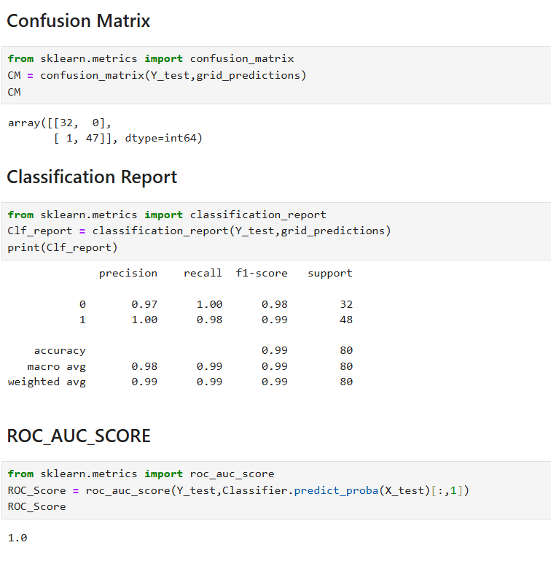

Decision Tree :

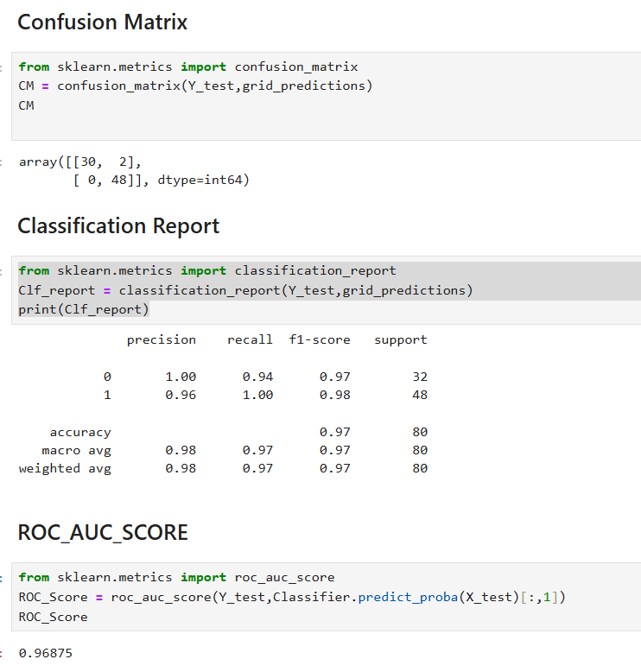

Random Forest:

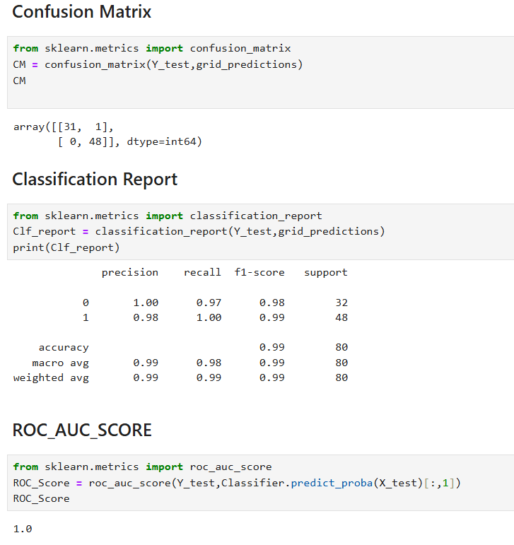

Logistic Regression

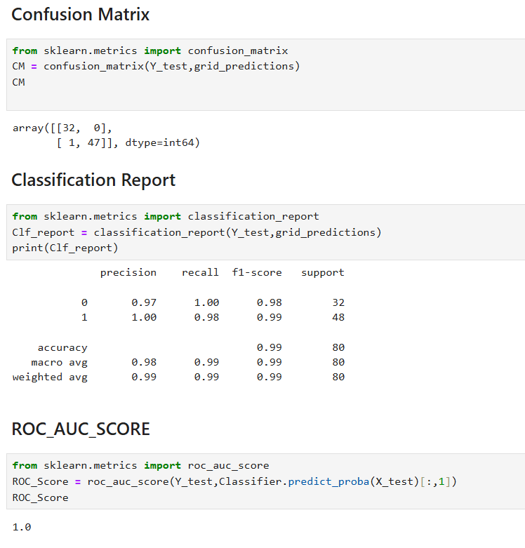

KNN :

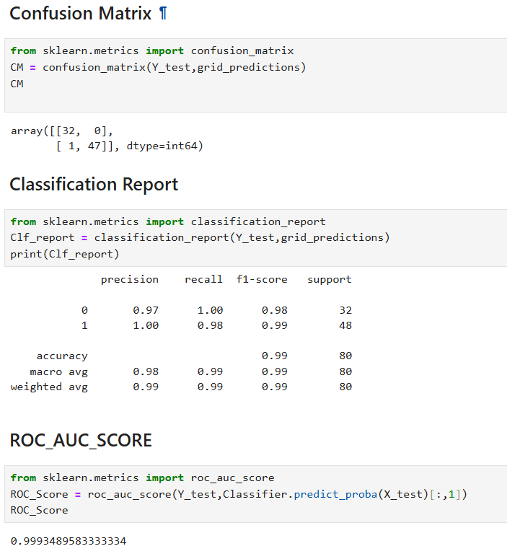

Naive Bayes : 1. Guassian NB

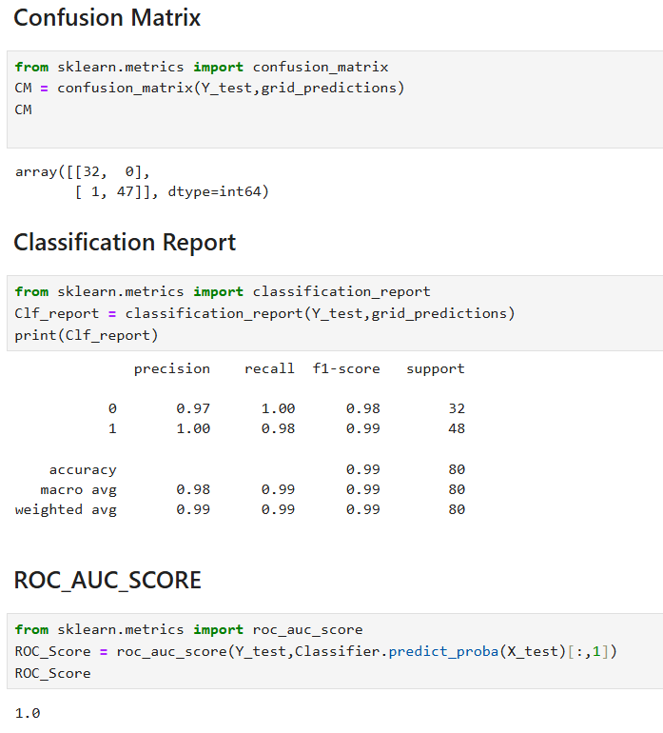

Naive Bayes : 2. Bernoulli NB

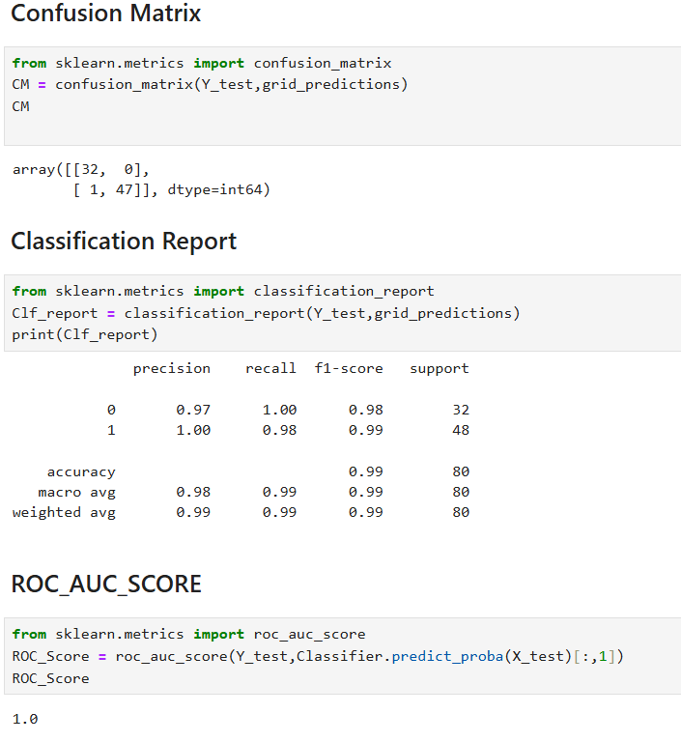

Naive Bayes : 2. Multinomial NB

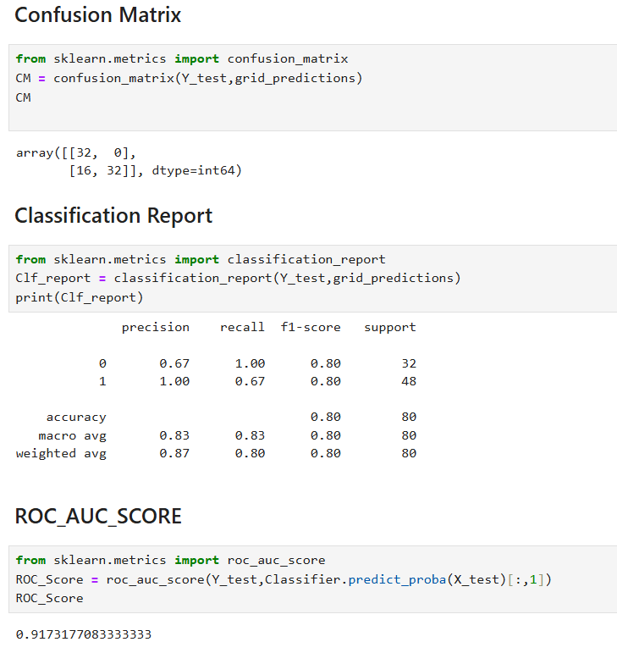

Result :
1. For this given dataset "Random Forest Classifier Algorithm" predicts the better model (99% Accuracy) compared to others.
2. Accuracy, Recall, Precision, F1 Score, Macro Average & Weighted Average values of all the algorithms mentioned above.
3. ROC_AUC_SCORE : Here SVM, Random Forest, Logistic Regression, Gaussian & Bernoulli results in better classification Perfomance.

